Instructions_and_settings
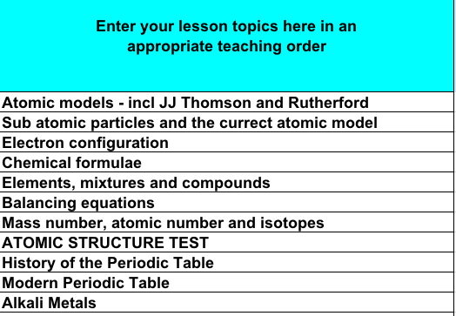
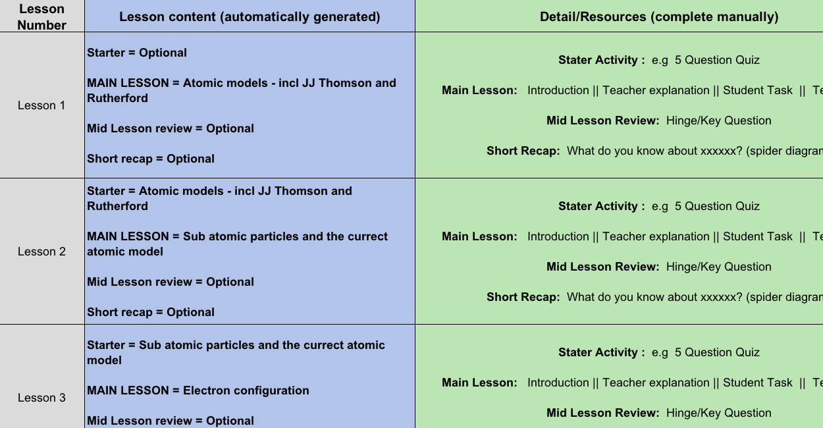
Scheme of Work Outline Generator This simple spreadsheet is designed to help incorporate spacing effects and retrieval into a Scheme of Work. I have populated it with Year 9 Chemistry topics to illustrate how it works and looks once complete. Instructions: 1) Click on the Topics tab at the bottom (second tab along) 2) Choose your retrieval activities and spacing settings ==> 3) Delete the existing Chemistry topics from the FIRST column, and replace with your own lesson topics in an appropriate order 4) Click on the Generated SoW tab at the bottom (third tab along) - and the SoW outline is ready to go! This is a work in progress, so please feel free to send feedback or suggestions: - mail@waldeneducation.org - @danboorman

 | Retrieval Opportunity 1 | Quiz Questions 1-3

 | Retrieval Opportunity 2 | Quiz Question 4

 | Retrieval Opportunity 3 | Spider-diagram retrieval

 | Spacing Delays

 | Main Lesson | 0
 | First Review | 1
 | Second Review | 4
 | Third Review | 14

